TO FILL IN
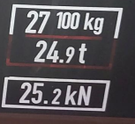
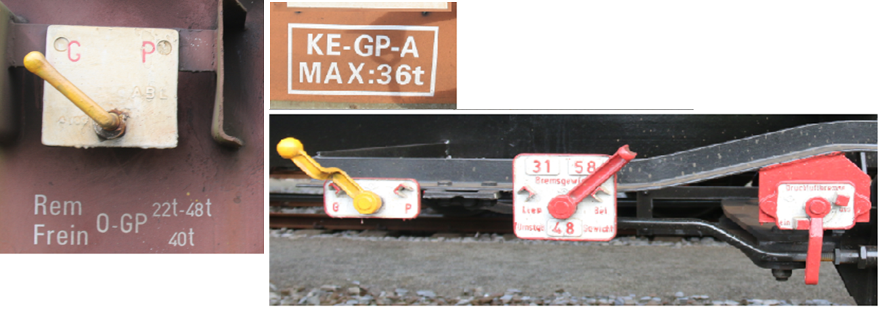

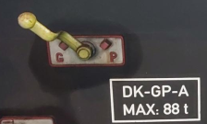
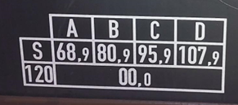

 | wagonnumber | UIC Wagontype | length (meters) | tare (kilo) | # axes | position handbrake | weight handbrake (ton) | Type of brake blocks | Empty-loaded G/P | type brake (manuel-autom) | max autom brake (ton) | weight diviter | braked weight empty (ton) | braked weight loaded (ton) | revision periodicity | revision date | speed | C4 | D4
 | wagonnr | UIC Wagontype | lengte (meter) | tarra (kilo) | # assen | positie handrem | gewicht handrem (ton) | type remblokken | beladen-leeg G/P | soort rem (manueel-autom) | gewicht max autom rem (ton) | omstelgewicht | geremd gewicht ledig (ton) | geremd gewicht beladen (ton) | revisie periodiciteit | revisiedatum op wagon | snelheid | C4 | D4
 | numéro de wagon | UIC Wagontype | longueur (mètres) | tare (kilo) | # essieux | position du frein | poids frein à main (tonnes) | type de semelles | Chargé-vide G/P | type de frein (manuel-automatique) | poids frein Auto Max | poids pivot | poids frein à vide (tonnes) | poids frein chargé (tonnes) | périodicité de révision | date de révision du wagon | vitesse | C4 | D4
 | Wagennummer | UIC Wagontype | Länge (meter) | Tara (kilo) | # Achsen | Handbremstelle | Bremsgewicht | Art Bremssohlen | Beladen-Leer G/P | Bremstype (manuel-autom) | Gewicht max autom Bremse (ton) | Umstellgewicht | Bremsgewicht Leer (ton) | Bremsgewicht beladen (ton) | Fristzeit der Revison | Revisionsdatum | Geschwindigkeit | C4 | D4
1
2
3
4
5
6
7
8
9
10
11
12
13
14
15
16
17
18
19
20
21
22
23
24
25
26
27
28
29
30
31
32
33
34
35
36
37
38
39
40
41
42
43
44
45
46
47
48
49
50
51
52
53
54
55
56
57
58
59
60
61
62
63
64
65
66
67
68
69
70
71
72
73
74
75
76
77
78
79
80
81
82
83
84
85
86
87
88
89
90
91
92
93
94
95
96
97
98
99
100
101
102
103
104
105
106
107
108
109
110

